Instructions--Read Me First!
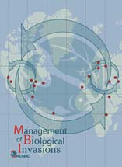
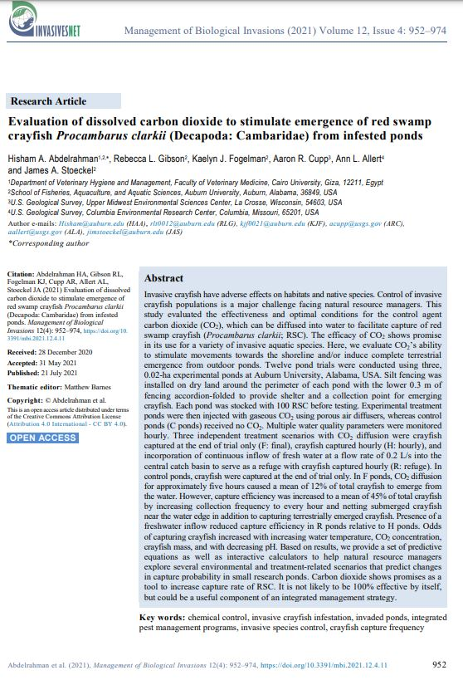
This is a supplementary file providing four interactive, self-explanatory Microsoft Excel spreadsheet-based calculator files. Calculators were developed to perform crayfish capture probability predictive models. The interactive calculator files are publicly available at:

https://github.com/Hisham-Abdelrahman/crayfish-CO2

Cite Abdelrahman HA, Gibson RL, Fogelman KJ, Cupp AR, Allert AL, Stoeckel JA (2021) Evaluation of dissolved carbon dioxide to stimulate emergence of red swamp crayfish Procambarus clarkii (Decapoda: Cambaridae) from infested ponds. Management of Biological Invasions 12(4): 952–974,

https://doi.org/10.3391/mbi.2021.12.4.11

Article URL
https://www.reabic.net/journals/mbi/2021/4/MBI_2021_Abdelrahman_etal.pdf

Correspondence: Hisham A. Abdelrahman; e-mail: hisham@auburn.edu

 | Management of Biological Invasions
 | e-ISSN: 1989-8649
 | Frequency: Quarterly
 | URL: http://www.reabic.net/journals/mbi/Default.aspx
 | DOI: 10.3391/mbi
 | Publisher: Regional Euro-Asian Biological Invasions Centre - REABIC, PL 6, 00981 Helsinki, FINLAND

